Packing List
 | 

EAN INTERNO | EAN ORIGINALE | BRANDS | GENDER | SECTOR | CATEGORY | Description | Dimensions | Item | COD. FABRIC | Fabrics | COD. COLOUR | Colour | Made in | SIZE | QTY | RETAIL PRICE | TOT RETAIL | PICTURES
2097277549767 | 8059516978930 | AX ARMANI EXCHANGE | WOMAN | CLOTHING | JEANS | JEANS, FOR WOMEN, FIVE POCKETS, SUPER SKINNY, SOLID COLOUR, WITH LOGO, ZIP AND BUTTON CLOSURE |  | 3LYJ01 | Y1SXZ |  | 1500 | INDIGO DENIM | TURCHIA | 26 | 11 | 120.00 € | 1320.00 € | 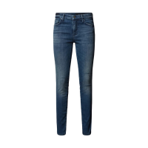
2041882305904 | 8059516978947 | AX ARMANI EXCHANGE | WOMAN | CLOTHING | JEANS | JEANS, FOR WOMEN, FIVE POCKETS, SUPER SKINNY, SOLID COLOUR, WITH LOGO, ZIP AND BUTTON CLOSURE |  | 3LYJ01 | Y1SXZ |  | 1500 | INDIGO DENIM | TURCHIA | 27 | 14 | 120.00 € | 1680.00 €
2020993145791 | 8059516978954 | AX ARMANI EXCHANGE | WOMAN | CLOTHING | JEANS | JEANS, FOR WOMEN, FIVE POCKETS, SUPER SKINNY, SOLID COLOUR, WITH LOGO, ZIP AND BUTTON CLOSURE |  | 3LYJ01 | Y1SXZ |  | 1500 | INDIGO DENIM | TURCHIA | 28 | 11 | 120.00 € | 1320.00 €
2092367494583 | 8059516978961 | AX ARMANI EXCHANGE | WOMAN | CLOTHING | JEANS | JEANS, FOR WOMEN, FIVE POCKETS, SUPER SKINNY, SOLID COLOUR, WITH LOGO, ZIP AND BUTTON CLOSURE |  | 3LYJ01 | Y1SXZ |  | 1500 | INDIGO DENIM | TURCHIA | 29 | 14 | 120.00 € | 1680.00 €
2012627674395 | 8059516978978 | AX ARMANI EXCHANGE | WOMAN | CLOTHING | JEANS | JEANS, FOR WOMEN, FIVE POCKETS, SUPER SKINNY, SOLID COLOUR, WITH LOGO, ZIP AND BUTTON CLOSURE |  | 3LYJ01 | Y1SXZ |  | 1500 | INDIGO DENIM | TURCHIA | 30 | 15 | 120.00 € | 1800.00 €
2042817398954 | 8056861762177 | AX ARMANI EXCHANGE | WOMAN | CLOTHING | JEANS | JEANS, FOR WOMEN, FIVE POCKETS, SUPER SKINNY, SOLID COLOUR, WITH LOGO, ZIP AND BUTTON CLOSURE |  | 8NYJ01 | Y1TBZ |  | 1500 | INDIGO DENIM | CHINA | 26 | 14 | 90.00 € | 1260.00 € | 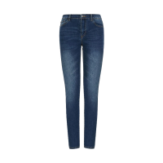
2054639279182 | 8056861762184 | AX ARMANI EXCHANGE | WOMAN | CLOTHING | JEANS | JEANS, FOR WOMEN, FIVE POCKETS, SUPER SKINNY, SOLID COLOUR, WITH LOGO, ZIP AND BUTTON CLOSURE |  | 8NYJ01 | Y1TBZ |  | 1500 | INDIGO DENIM | CHINA | 27 | 11 | 90.00 € | 990.00 €
2016340396848 | 8056861762870 | AX ARMANI EXCHANGE | WOMAN | CLOTHING | JEANS | JEANS, FOR WOMEN, FIVE POCKETS, SUPER SKINNY, SOLID COLOUR, WITH LOGO, ZIP AND BUTTON CLOSURE |  | 8NYJ24 | Y1TBZ |  | 1500 | INDIGO DENIM | CHINA | 26 | 11 | 90.00 € | 990.00 € | 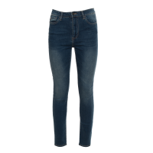
2039808423481 | 8056861762887 | AX ARMANI EXCHANGE | WOMAN | CLOTHING | JEANS | JEANS, FOR WOMEN, FIVE POCKETS, SUPER SKINNY, SOLID COLOUR, WITH LOGO, ZIP AND BUTTON CLOSURE |  | 8NYJ24 | Y1TBZ |  | 1500 | INDIGO DENIM | CHINA | 27 | 15 | 90.00 € | 1350.00 €
2072346692841 |  | AX ARMANI EXCHANGE | MAN | CLOTHING | SHIRTS | SHIRT, FOR MEN, BASIC COLLAR, REGULAR FIT, LONG SLEEVES, SOLID COLOUR, WITH LOGO, BUTTONS CLOSURE, WRISTBAND |  | 3LZC10 | ZNAUZ | 100%CO | 1100 | WHITE | CAMBODIA | S | 13 | 90.00 € | 1170.00 € | 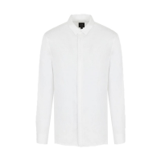
2012113384852 | 8057163019716 | AX ARMANI EXCHANGE | MAN | CLOTHING | SHIRTS | SHIRT, FOR MEN, BASIC COLLAR, REGULAR FIT, LONG SLEEVES, SOLID COLOUR, WITH LOGO, BUTTONS CLOSURE, WRISTBAND |  | 3LZC10 | ZNAUZ | 100%CO | 1100 | WHITE | CAMBODIA | M | 2 | 90.00 € | 180.00 €
2083943926031 | 8057163019709 | AX ARMANI EXCHANGE | MAN | CLOTHING | SHIRTS | SHIRT, FOR MEN, BASIC COLLAR, REGULAR FIT, LONG SLEEVES, SOLID COLOUR, WITH LOGO, BUTTONS CLOSURE, WRISTBAND |  | 3LZC10 | ZNAUZ | 100%CO | 1100 | WHITE | CAMBODIA | L | 13 | 90.00 € | 1170.00 €
2049011620409 | 8057163019730 | AX ARMANI EXCHANGE | MAN | CLOTHING | SHIRTS | SHIRT, FOR MEN, BASIC COLLAR, REGULAR FIT, LONG SLEEVES, SOLID COLOUR, WITH LOGO, BUTTONS CLOSURE, WRISTBAND |  | 3LZC10 | ZNAUZ | 100%CO | 1100 | WHITE | CAMBODIA | XL | 9 | 90.00 € | 810.00 €
2098265199261 | 8057163019754 | AX ARMANI EXCHANGE | MAN | CLOTHING | SHIRTS | SHIRT, FOR MEN, BASIC COLLAR, REGULAR FIT, LONG SLEEVES, SOLID COLOUR, WITH LOGO, BUTTONS CLOSURE, WRISTBAND |  | 3LZC10 | ZNAUZ | 100%CO | 1100 | WHITE | CAMBODIA | XXL | 2 | 90.00 € | 180.00 €
2021381499915 | 8057163019846 | AX ARMANI EXCHANGE | MAN | CLOTHING | SHIRTS | SHIRT, FOR MEN, BASIC COLLAR, REGULAR FIT, LONG SLEEVES, SOLID COLOUR, WITH LOGO, BUTTONS CLOSURE, WRISTBAND |  | 3LZC10 | ZNAUZ | 100%CO | 1510 | NAVY | CAMBODIA | S | 4 | 90.00 € | 360.00 € | 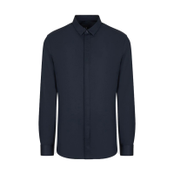
2043857437351 | 8057163019839 | AX ARMANI EXCHANGE | MAN | CLOTHING | SHIRTS | SHIRT, FOR MEN, BASIC COLLAR, REGULAR FIT, LONG SLEEVES, SOLID COLOUR, WITH LOGO, BUTTONS CLOSURE, WRISTBAND |  | 3LZC10 | ZNAUZ | 100%CO | 1510 | NAVY | CAMBODIA | M | 1 | 90.00 € | 90.00 €
2052281760706 | 8057163020835 | AX ARMANI EXCHANGE | MAN | CLOTHING | SHIRTS | SHIRT, FOR MEN, BASIC COLLAR, REGULAR FIT, LONG SLEEVES, SOLID COLOUR, WITH LOGO, BUTTONS CLOSURE |  | 3LZC21 | ZNTQZ | 100%CO | 1100 | WHITE | PORTUGAL | XXL | 8 | 89.00 € | 712.00 € | 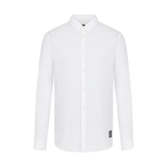
2062692855489 | 8057163021641 | AX ARMANI EXCHANGE | MAN | CLOTHING | SHIRTS | SHIRT, FOR MEN, BASIC COLLAR, REGULAR FIT, LONG SLEEVES, SOLID COLOUR, WITH LOGO, BUTTONS CLOSURE, WRISTBAND |  | 3LZC28 | ZNNIZ | 100%CO | 55HK | BLUE WHITE CHAIN | PORTUGAL | S | 6 | 90.00 € | 540.00 € | 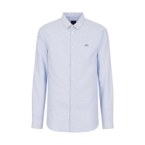
2058373411631 | 8057163021634 | AX ARMANI EXCHANGE | MAN | CLOTHING | SHIRTS | SHIRT, FOR MEN, BASIC COLLAR, REGULAR FIT, LONG SLEEVES, SOLID COLOUR, WITH LOGO, BUTTONS CLOSURE, WRISTBAND |  | 3LZC28 | ZNNIZ | 100%CO | 55HK | BLUE WHITE CHAIN | PORTUGAL | M | 3 | 90.00 € | 270.00 €
2055153689365 | 8057163021627 | AX ARMANI EXCHANGE | MAN | CLOTHING | SHIRTS | SHIRT, FOR MEN, BASIC COLLAR, REGULAR FIT, LONG SLEEVES, SOLID COLOUR, WITH LOGO, BUTTONS CLOSURE, WRISTBAND |  | 3LZC28 | ZNNIZ | 100%CO | 55HK | BLUE WHITE CHAIN | PORTUGAL | L | 7 | 90.00 € | 630.00 €
2041124414630 | 8057163021658 | AX ARMANI EXCHANGE | MAN | CLOTHING | SHIRTS | SHIRT, FOR MEN, BASIC COLLAR, REGULAR FIT, LONG SLEEVES, SOLID COLOUR, WITH LOGO, BUTTONS CLOSURE, WRISTBAND |  | 3LZC28 | ZNNIZ | 100%CO | 55HK | BLUE WHITE CHAIN | PORTUGAL | XL | 4 | 90.00 € | 360.00 €
2029187112120 | 8057163621612 | AX ARMANI EXCHANGE | MAN | CLOTHING | SHIRTS | SHIRT, FOR MEN, BASIC COLLAR, REGULAR FIT, LONG SLEEVES, SOLID COLOUR, WITH LOGO, BUTTONS CLOSURE, WRISTBAND |  | 3LZC28 | ZNNIZ | 100%CO | 55HK | BLUE WHITE CHAIN | PORTUGAL | XXL | 0 | 90.00 € | 0.00 €
2079529186289 | 8057163022099 | AX ARMANI EXCHANGE | MAN | CLOTHING | SHIRTS | SHIRT, FOR MEN, BASIC COLLAR, SLIM FIT, LONG SLEEVES, SOLID COLOUR, WITH LOGO, BUTTONS CLOSURE, WRISTBAND |  | 3LZC41 | ZNAUZ | 100%CO | 1200 | BLACK | CAMBODIA | XXL | 1 | 80.00 € | 80.00 €
2046229506891 | 8052130436145 | AX ARMANI EXCHANGE | MAN | CLOTHING | SHIRTS | SHIRT, FOR MEN, BASIC COLLAR, SLIM FIT, LONG SLEEVES, SOLID COLOUR, WITH LOGO, BUTTONS CLOSURE, WRISTBAND |  | 8NZC31 | ZN28Z | 98%CO 2%EA | 1100 | WHITE | CAMBODIA | XL | 3 | 70.00 € | 210.00 € | 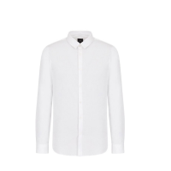
2098156336966 | 8052130436169 | AX ARMANI EXCHANGE | MAN | CLOTHING | SHIRTS | SHIRT, FOR MEN, BASIC COLLAR, SLIM FIT, LONG SLEEVES, SOLID COLOUR, WITH LOGO, BUTTONS CLOSURE, WRISTBAND |  | 8NZC31 | ZN28Z | 98%CO 2%EA | 1100 | WHITE | CAMBODIA | XXL | 10 | 70.00 € | 700.00 €
2032231749913 | 8050232553647 | AX ARMANI EXCHANGE | MAN | CLOTHING | SHIRTS | SHIRT, FOR MEN, BASIC COLLAR, SLIM FIT, LONG SLEEVES, SOLID COLOUR, WITH LOGO, BUTTONS CLOSURE, WRISTBAND |  | 8NZC31 | ZN28Z | 98%CO 2%EA | 1200 | BLACK | CAMBODIA | S | 6 | 70.00 € | 420.00 € | 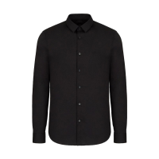
2050780739247 | 8050232553630 | AX ARMANI EXCHANGE | MAN | CLOTHING | SHIRTS | SHIRT, FOR MEN, BASIC COLLAR, SLIM FIT, LONG SLEEVES, SOLID COLOUR, WITH LOGO, BUTTONS CLOSURE, WRISTBAND |  | 8NZC31 | ZN28Z | 98%CO 2%EA | 1200 | BLACK | CAMBODIA | M | 12 | 70.00 € | 840.00 €
2036271800511 | 8050232553623 | AX ARMANI EXCHANGE | MAN | CLOTHING | SHIRTS | SHIRT, FOR MEN, BASIC COLLAR, SLIM FIT, LONG SLEEVES, SOLID COLOUR, WITH LOGO, BUTTONS CLOSURE, WRISTBAND |  | 8NZC31 | ZN28Z | 98%CO 2%EA | 1200 | BLACK | CAMBODIA | L | 9 | 70.00 € | 630.00 €
2048935742488 | 8052130436176 | AX ARMANI EXCHANGE | MAN | CLOTHING | SHIRTS | SHIRT, FOR MEN, BASIC COLLAR, SLIM FIT, LONG SLEEVES, SOLID COLOUR, WITH LOGO, BUTTONS CLOSURE, WRISTBAND |  | 8NZC31 | ZN28Z | 98/% 2%EA | 1510 | NAVY | CAMBODIA | L | 7 | 70.00 € | 490.00 € | 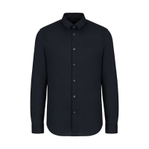
2086886465520 | 8052130436206 | AX ARMANI EXCHANGE | MAN | CLOTHING | SHIRTS | SHIRT, FOR MEN, BASIC COLLAR, SLIM FIT, LONG SLEEVES, SOLID COLOUR, WITH LOGO, BUTTONS CLOSURE, WRISTBAND |  | 8NZC31 | ZN28Z | 98/% 2%EA | 1510 | NAVY | CAMBODIA | XL | 8 | 70.00 € | 560.00 €
2025869129103 | 8052130436220 | AX ARMANI EXCHANGE | MAN | CLOTHING | SHIRTS | SHIRT, FOR MEN, BASIC COLLAR, SLIM FIT, LONG SLEEVES, SOLID COLOUR, WITH LOGO, BUTTONS CLOSURE, WRISTBAND |  | 8NZC31 | ZN28Z | 98/% 2%EA | 1510 | NAVY | CAMBODIA | XXL | 10 | 70.00 € | 700.00 €
2088678348479 | 8057163081775 | AX ARMANI EXCHANGE | MAN | CLOTHING | SHIRTS | SHIRT, FOR MEN, BASIC COLLAR, REGULAR FIT, LONG SLEEVES, SOLID COLOUR, WITH LOGO, BUTTONS CLOSURE |  | 8NZC50 | ZNCFZ | 100%LI | 1510 | NAVY | CHINA | S | 20 | 90.00 € | 1800.00 € | 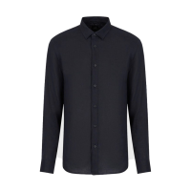
2038130901827 | 8057163081768 | AX ARMANI EXCHANGE | MAN | CLOTHING | SHIRTS | SHIRT, FOR MEN, BASIC COLLAR, REGULAR FIT, LONG SLEEVES, SOLID COLOUR, WITH LOGO, BUTTONS CLOSURE |  | 8NZC50 | ZNCFZ | 100%LI | 1510 | NAVY | CHINA | M | 26 | 90.00 € | 2340.00 €
2050005671505 | 8057163081782 | AX ARMANI EXCHANGE | MAN | CLOTHING | SHIRTS | SHIRT, FOR MEN, BASIC COLLAR, REGULAR FIT, LONG SLEEVES, SOLID COLOUR, WITH LOGO, BUTTONS CLOSURE |  | 8NZC50 | ZNCFZ | 100%LI | 1510 | NAVY | CHINA | XL | 7 | 90.00 € | 630.00 €
2073189646626 | 8057163081805 | AX ARMANI EXCHANGE | MAN | CLOTHING | SHIRTS | SHIRT, FOR MEN, BASIC COLLAR, REGULAR FIT, LONG SLEEVES, SOLID COLOUR, WITH LOGO, BUTTONS CLOSURE |  | 8NZC50 | ZNCFZ | 100%LI | 1510 | NAVY | CHINA | XXL | 8 | 90.00 € | 720.00 €
2089455141634 | 8057163272463 | AX ARMANI EXCHANGE | MAN | CLOTHING | SHIRTS | LINEN SHIRT, FOR MEN, BASIC COLLAR, REGULAR FIT, SHORT SLEEVES, SOLID COLOUR, WITH LOGO, BUTTONS CLOSURE |  | 8NZC67 | ZNCFZ | 100%LI | 1510 | NAVY | CAMBODIA | S | 18 | 85.00 € | 1530.00 € | 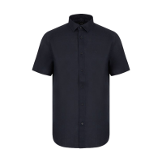
2053715882964 | 8057163272456 | AX ARMANI EXCHANGE | MAN | CLOTHING | SHIRTS | LINEN SHIRT, FOR MEN, BASIC COLLAR, REGULAR FIT, SHORT SLEEVES, SOLID COLOUR, WITH LOGO, BUTTONS CLOSURE |  | 8NZC67 | ZNCFZ | 100%LI | 1510 | NAVY | CAMBODIA | M | 27 | 85.00 € | 2295.00 €
2098803640408 | 8057163272449 | AX ARMANI EXCHANGE | MAN | CLOTHING | SHIRTS | LINEN SHIRT, FOR MEN, BASIC COLLAR, REGULAR FIT, SHORT SLEEVES, SOLID COLOUR, WITH LOGO, BUTTONS CLOSURE |  | 8NZC67 | ZNCFZ | 100%LI | 1510 | NAVY | CAMBODIA | L | 27 | 85.00 € | 2295.00 €
2042285854280 | 8057163272470 | AX ARMANI EXCHANGE | MAN | CLOTHING | SHIRTS | LINEN SHIRT, FOR MEN, BASIC COLLAR, REGULAR FIT, SHORT SLEEVES, SOLID COLOUR, WITH LOGO, BUTTONS CLOSURE |  | 8NZC67 | ZNCFZ | 100%LI | 1510 | NAVY | CAMBODIA | XL | 19 | 85.00 € | 1615.00 €
2085775407207 | 8057163272494 | AX ARMANI EXCHANGE | MAN | CLOTHING | SHIRTS | LINEN SHIRT, FOR MEN, BASIC COLLAR, REGULAR FIT, SHORT SLEEVES, SOLID COLOUR, WITH LOGO, BUTTONS CLOSURE |  | 8NZC67 | ZNCFZ | 100%LI | 1510 | NAVY | CAMBODIA | XXL | 9 | 85.00 € | 765.00 €
2092633839957 | 8057163032661 | AX ARMANI EXCHANGE | MAN | CLOTHING | JEANS | JEANS, FOR MEN, FIVE POCKETS, SLIM FIT, SOLID COLOUR, WITH LOGO, ZIP AND BUTTON CLOSURE |  | 3LZJ13 | Z1L4Z | 99%CO 1%EA | 1500 | INDIGO DENIM | MAURITIUS | 30 | 0 | 110.00 € | 0.00 € | 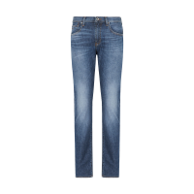
2087615292929 | 8057163032685 | AX ARMANI EXCHANGE | MAN | CLOTHING | JEANS | JEANS, FOR MEN, FIVE POCKETS, SLIM FIT, SOLID COLOUR, WITH LOGO, ZIP AND BUTTON CLOSURE |  | 3LZJ13 | Z1L4Z | 99%CO 1%EA | 1500 | INDIGO DENIM | MAURITIUS | 32 | 0 | 110.00 € | 0.00 €
2018955885144 | 8057163033187 | AX ARMANI EXCHANGE | MAN | CLOTHING | JEANS | JEANS, FOR MEN, FIVE POCKETS, SLIM FIT, SOLID COLOUR, WITH LOGO, ZIP AND BUTTON CLOSURE |  | 3LZJ13 | Z1P6Z | 82%CO 16%PL 2%EA | 1500 | INDIGO DENIM | MAURITIUS | 32 | 0 | 110.00 € | 0.00 € | 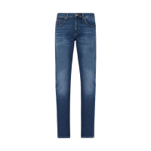
2047173359649 | 8057163033200 | AX ARMANI EXCHANGE | MAN | CLOTHING | JEANS | JEANS, FOR MEN, FIVE POCKETS, SLIM FIT, SOLID COLOUR, WITH LOGO, ZIP AND BUTTON CLOSURE |  | 3LZJ13 | Z1P6Z | 82%CO 16%PL 2%EA | 1500 | INDIGO DENIM | MAURITIUS | 34 | 0 | 110.00 € | 0.00 €
2031718930622 | 8057163033224 | AX ARMANI EXCHANGE | MAN | CLOTHING | JEANS | JEANS, FOR MEN, FIVE POCKETS, SLIM FIT, SOLID COLOUR, WITH LOGO, ZIP AND BUTTON CLOSURE |  | 3LZJ13 | Z1P6Z | 82%CO 16%PL 2%EA | 1500 | INDIGO DENIM | MAURITIUS | 38 | 0 | 110.00 € | 0.00 €
2028417452166 | 8057163033231 | AX ARMANI EXCHANGE | MAN | CLOTHING | JEANS | JEANS, FOR MEN, FIVE POCKETS, SLIM FIT, SOLID COLOUR, WITH LOGO, ZIP AND BUTTON CLOSURE |  | 3LZJ13 | Z1P6Z | 82%CO 16%PL 2%EA | 1500 | INDIGO DENIM | MAURITIUS | 40 | 0 | 110.00 € | 0.00 €
2024871139834 | 8059516468820 | AX ARMANI EXCHANGE | MAN | CLOTHING | JEANS | JEANS, FOR MEN, FIVE POCKETS, SOLID COLOUR, WITH LOGO, ZIP AND BUTTON CLOSURE |  | 3LZJ13 | Z1PQZ | 99%CO 1%EA | 1500 | INDIGO DENIM | TURCHIA | 36 | 8 | 120.00 € | 960.00 € | 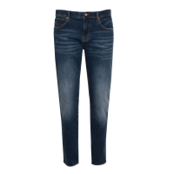
2017014889697 | 8059516468837 | AX ARMANI EXCHANGE | MAN | CLOTHING | JEANS | JEANS, FOR MEN, FIVE POCKETS, SOLID COLOUR, WITH LOGO, ZIP AND BUTTON CLOSURE |  | 3LZJ13 | Z1PQZ | 99%CO 1%EA | 1500 | INDIGO DENIM | TURCHIA | 38 | 4 | 120.00 € | 480.00 €
2085187802744 | 8057163034269 | AX ARMANI EXCHANGE | MAN | CLOTHING | JEANS | JEANS, FOR MEN, FIVE POCKETS, SKINNY, SOLID COLOUR, WITH LOGO, ZIP AND BUTTON CLOSURE |  | 3LZJ14 | Z1EPZ | 99%CO 1%EA | 1500 | INDIGO DENIM | TURCHIA | 30 | 12 | 130.00 € | 1560.00 € | 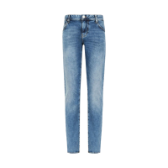
2015394825649 | 8057163034283 | AX ARMANI EXCHANGE | MAN | CLOTHING | JEANS | JEANS, FOR MEN, FIVE POCKETS, SKINNY, SOLID COLOUR, WITH LOGO, ZIP AND BUTTON CLOSURE |  | 3LZJ14 | Z1EPZ | 99%CO 1%EA | 1500 | INDIGO DENIM | TURCHIA | 32 | 10 | 130.00 € | 1300.00 €
2033794719900 | 8057163034290 | AX ARMANI EXCHANGE | MAN | CLOTHING | JEANS | JEANS, FOR MEN, FIVE POCKETS, SKINNY, SOLID COLOUR, WITH LOGO, ZIP AND BUTTON CLOSURE |  | 3LZJ14 | Z1EPZ | 99%CO 1%EA | 1500 | INDIGO DENIM | TURCHIA | 33 | 1 | 130.00 € | 130.00 €
2014714357358 | 8057163034313 | AX ARMANI EXCHANGE | MAN | CLOTHING | JEANS | JEANS, FOR MEN, FIVE POCKETS, SKINNY, SOLID COLOUR, WITH LOGO, ZIP AND BUTTON CLOSURE |  | 3LZJ14 | Z1EPZ | 99%CO 1%EA | 1500 | INDIGO DENIM | TURCHIA | 36 | 7 | 130.00 € | 910.00 €
2013487371011 | 8057163034320 | AX ARMANI EXCHANGE | MAN | CLOTHING | JEANS | JEANS, FOR MEN, FIVE POCKETS, SKINNY, SOLID COLOUR, WITH LOGO, ZIP AND BUTTON CLOSURE |  | 3LZJ14 | Z1EPZ | 99%CO 1%EA | 1500 | INDIGO DENIM | TURCHIA | 38 | 8 | 130.00 € | 1040.00 €
2034564731726 | 8057163034337 | AX ARMANI EXCHANGE | MAN | CLOTHING | JEANS | JEANS, FOR MEN, FIVE POCKETS, SKINNY, SOLID COLOUR, WITH LOGO, ZIP AND BUTTON CLOSURE |  | 3LZJ14 | Z1EPZ | 99%CO 1%EA | 1500 | INDIGO DENIM | TURCHIA | 40 | 1 | 130.00 € | 130.00 €
2050680305597 | 8056861740984 | AX ARMANI EXCHANGE | MAN | CLOTHING | JEANS | JEANS, FOR MEN, FIVE POCKETS, SKINNY, SOLID COLOUR, WITH LOGO, ZIP AND BUTTON CLOSURE |  | 8NZJ14 | Z3SAZ | 99%CO 1%EA | 1500 | INDIGO DENIM | CAMBOGIA | 38 | 0 | 90.00 € | 0.00 € | 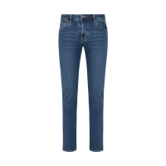
2085372370904 | 8057163025175 | AX ARMANI EXCHANGE | MAN | CLOTHING | POLO SHIRTS | POLO SHIRT, FOR MEN, SHORT SLEEVES, SOLID COLOUR, WITH LOGO, WITH BUTTONS |  | 3LZFAM | ZJ8LZ | 100%PL | 15BA | NAVY BLAZER | PORTOGALLO | M | 2 | 70.00 € | 140.00 € | 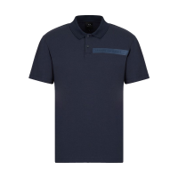
2064134582007 | 8058644504271 | AX ARMANI EXCHANGE | MAN | CLOTHING | POLO SHIRTS | POLO SHIRT, FOR MEN, SHORT SLEEVES, SOLID COLOUR, WITH LOGO, WITH BUTTONS |  | 8NFZ80 | Z8H4Z | 100% CO | 1200 | BLACK | CAMBOGIA | S | 1 | 55.00 € | 55.00 € | 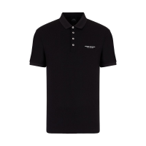
2038614623429 | 8054703926473 | AX ARMANI EXCHANGE | MAN | CLOTHING | POLO SHIRTS | POLO SHIRT, FOR MEN, SHORT SLEEVES, SOLID COLOUR, WITH LOGO, WITH BUTTONS |  | 8NZF70 | Z8M9Z | 95%CO 5%EA | 1200 | BLACK | CAMBOGIA | M | 12 | 66.00 € | 792.00 € | 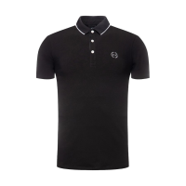
2025529964761 | 8054703926466 | AX ARMANI EXCHANGE | MAN | CLOTHING | POLO SHIRTS | POLO SHIRT, FOR MEN, SHORT SLEEVES, SOLID COLOUR, WITH LOGO, WITH BUTTONS |  | 8NZF70 | Z8M9Z | 95%CO 5%EA | 1200 | BLACK | CAMBOGIA | L | 26 | 66.00 € | 1716.00 €
2041732541865 | 8058644503786 | AX ARMANI EXCHANGE | MAN | CLOTHING | POLO SHIRTS | POLO SHIRT, FOR MEN, SHORT SLEEVES, SOLID COLOUR, WITH LOGO, WITH BUTTONS |  | 8NZF71 | ZJH2Z | 95%CO 5%EA | 1200 | BLACK | CHINA | M | 12 | 65.00 € | 780.00 € | 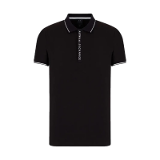
2022243284052 | 8058644503823 | AX ARMANI EXCHANGE | MAN | CLOTHING | POLO SHIRTS | POLO SHIRT, FOR MEN, SHORT SLEEVES, SOLID COLOUR, WITH LOGO, WITH BUTTONS |  | 8NZF71 | ZJH2Z | 95%CO 5%EA | 1200 | BLACK | CHINA | XXL | 0 | 65.00 € | 0.00 €
2049610676265 | 8058644503915 | AX ARMANI EXCHANGE | MAN | CLOTHING | POLO SHIRTS | POLO SHIRT, FOR MEN, SHORT SLEEVES, SOLID COLOUR, WITH LOGO, WITH BUTTONS |  | 8NZF71 | ZJH2Z | 95%CO 5%EA | 1510 | NAVY | CHINA | S | 13 | 65.00 € | 845.00 € | 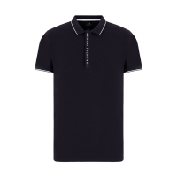
2042843688258 | 8058644503892 | AX ARMANI EXCHANGE | MAN | CLOTHING | POLO SHIRTS | POLO SHIRT, FOR MEN, SHORT SLEEVES, SOLID COLOUR, WITH LOGO, WITH BUTTONS |  | 8NZF71 | ZJH2Z | 95%CO 5%EA | 1510 | NAVY | CHINA | L | 9 | 65.00 € | 585.00 €
2099809376407 | 8058644503922 | AX ARMANI EXCHANGE | MAN | CLOTHING | POLO SHIRTS | POLO SHIRT, FOR MEN, SHORT SLEEVES, SOLID COLOUR, WITH LOGO, WITH BUTTONS |  | 8NZF71 | ZJH2Z | 95%CO 5%EA | 1510 | NAVY | CHINA | XL | 6 | 65.00 € | 390.00 €
2098174720792 | 8054703928286 | AX ARMANI EXCHANGE | MAN | CLOTHING | POLO SHIRTS | POLO SHIRT, FOR MEN, SHORT SLEEVES, SOLID COLOUR, WITH LOGO, WITH BUTTONS |  | 8NZF75 | Z8M5Z | 98% CO 2% EA | 3929 | HEATHER GREY | CAMBOGIA | S | 0 | 52.00 € | 0.00 € | 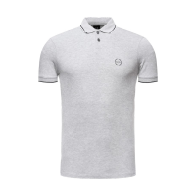
2010019331048 | 8054703928279 | AX ARMANI EXCHANGE | MAN | CLOTHING | POLO SHIRTS | POLO SHIRT, FOR MEN, SHORT SLEEVES, SOLID COLOUR, WITH LOGO, WITH BUTTONS |  | 8NZF75 | Z8M5Z | 98% CO 2% EA | 3929 | HEATHER GREY | CAMBOGIA | M | 0 | 52.00 € | 0.00 €
2050099496589 | 8054703928583 | AX ARMANI EXCHANGE | MAN | CLOTHING | POLO SHIRTS | POLO SHIRT, FOR MEN, SHORT SLEEVES, BI-COLOR, WITH LOGO, WITH BUTTONS |  | 8NZF76 | Z8M5Z | 98% CO 2% EA | 1200 | BLACK | CAMBODIA | S | 2 | 57.00 € | 114.00 € | 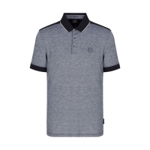
2041187738728 | 8054524346795 | AX ARMANI EXCHANGE | MAN | CLOTHING | POLO SHIRTS | POLO SHIRT, FOR MEN, SHORT SLEEVES, SOLID COLOUR, WITH LOGO, WITH BUTTONS |  | 8NZF78 | ZJ81Z | 96%CO 4%EA | 1510 | NAVY | CAMBOGIA | M | 0 | 50.00 € | 0.00 € | 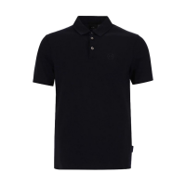
2048406974592 | 8054524346788 | AX ARMANI EXCHANGE | MAN | CLOTHING | POLO SHIRTS | POLO SHIRT, FOR MEN, SHORT SLEEVES, SOLID COLOUR, WITH LOGO, WITH BUTTONS |  | 8NZF78 | ZJ81Z | 96%CO 4%EA | 1510 | NAVY | CAMBOGIA | L | 0 | 50.00 € | 0.00 €
2068782493234 | 8054524346818 | AX ARMANI EXCHANGE | MAN | CLOTHING | POLO SHIRTS | POLO SHIRT, FOR MEN, SHORT SLEEVES, SOLID COLOUR, WITH LOGO, WITH BUTTONS |  | 8NZF78 | ZJ81Z | 96%CO 4%EA | 1510 | NAVY | CAMBOGIA | XL | 0 | 50.00 € | 0.00 €
2010789522882 | 8054524347587 | AX ARMANI EXCHANGE | MAN | CLOTHING | POLO SHIRTS | POLO SHIRT, FOR MEN, SHORT SLEEVES, SOLID COLOUR, WITH LOGO, WITH BUTTONS |  | 8NZF91 | ZJ81Z | 96%CO 4%EA | 1200 | BLACK | CAMBOGIA | S | 2 | 59.00 € | 118.00 € | 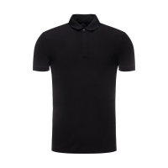
2045702799782 | 8057163062088 | AX ARMANI EXCHANGE | MAN | CLOTHING | T SHIRT | T-SHIRT, FOR MEN, ROUND NECK, REGULAR FIT, SHORT SLEEVES, SOLID COLOUR, WITH LOGO |  | 3LZTAB | ZJ8TZ | 100%CO | 1510 | BLU | PORTUGAL | L | 9 | 40.00 € | 360.00 € | 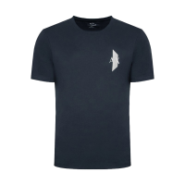
2062051816359 | 8057163062132 | AX ARMANI EXCHANGE | MAN | CLOTHING | T SHIRT | T-SHIRT, FOR MEN, ROUND NECK, REGULAR FIT, SHORT SLEEVES, SOLID COLOUR, WITH LOGO |  | 3LZTAB | ZJ8TZ | 100%CO | 1510 | BLU | PORTUGAL | XXL | 4 | 40.00 € | 160.00 €
2097144473188 | 8054524342278 | AX ARMANI EXCHANGE | MAN | CLOTHING | T SHIRT | T-SHIRT, FOR MEN, ROUND NECK, REGULAR FIT, SHORT SLEEVES, SOLID COLOUR, WITH LOGO |  | 8NZTCD | Z8H4Z | 100%CO | 1510 | BLU | VIETNAM | XXL | 7 | 38.00 € | 266.00 € | 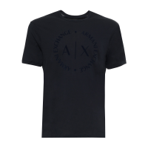
2037772147402 | 8057163084356 | AX ARMANI EXCHANGE | MAN | CLOTHING | T SHIRT | T-SHIRT, FOR MEN, ROUND NECK, REGULAR FIT, SHORT SLEEVES, SOLID COLOUR, WITH LOGO |  | 8NZTPW | ZJ8Y2 | 100%CO | 1100 | WHITE | CHINA | L | 17 | 60.00 € | 1020.00 € | 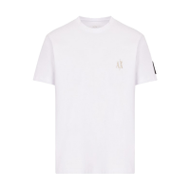
2073817779078 | 8057163084387 | AX ARMANI EXCHANGE | MAN | CLOTHING | T SHIRT | T-SHIRT, FOR MEN, ROUND NECK, REGULAR FIT, SHORT SLEEVES, SOLID COLOUR, WITH LOGO |  | 8NZTPW | ZJ8Y2 | 100%CO | 1100 | WHITE | CHINA | XL | 21 | 60.00 € | 1260.00 €
2038279601015 | 8057163084400 | AX ARMANI EXCHANGE | MAN | CLOTHING | T SHIRT | T-SHIRT, FOR MEN, ROUND NECK, REGULAR FIT, SHORT SLEEVES, SOLID COLOUR, WITH LOGO |  | 8NZTPW | ZJ8Y2 | 100%CO | 1100 | WHITE | CHINA | XXL | 23 | 60.00 € | 1380.00 €
2016060872646 | 8057163084431 | AX ARMANI EXCHANGE | MAN | CLOTHING | T SHIRT | T-SHIRT, FOR MEN, ROUND NECK, REGULAR FIT, SHORT SLEEVES, SOLID COLOUR, WITH LOGO |  | 8NZTPW | ZJ8Y2 | 100%CO | 1200 | BLACK | CHINA | S | 12 | 60.00 € | 720.00 € | 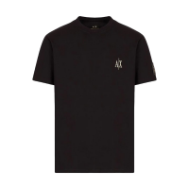
2099303282563 | 8057163084424 | AX ARMANI EXCHANGE | MAN | CLOTHING | T SHIRT | T-SHIRT, FOR MEN, ROUND NECK, REGULAR FIT, SHORT SLEEVES, SOLID COLOUR, WITH LOGO |  | 8NZTPW | ZJ8Y2 | 100%CO | 1200 | BLACK | CHINA | M | 24 | 60.00 € | 1440.00 €
2042070428238 | 8057163084448 | AX ARMANI EXCHANGE | MAN | CLOTHING | T SHIRT | T-SHIRT, FOR MEN, ROUND NECK, REGULAR FIT, SHORT SLEEVES, SOLID COLOUR, WITH LOGO |  | 8NZTPW | ZJ8Y2 | 100%CO | 1200 | BLACK | CHINA | XL | 1 | 60.00 € | 60.00 €
2050039889266 | 8057163084462 | AX ARMANI EXCHANGE | MAN | CLOTHING | T SHIRT | T-SHIRT, FOR MEN, ROUND NECK, REGULAR FIT, SHORT SLEEVES, SOLID COLOUR, WITH LOGO |  | 8NZTPW | ZJ8Y2 | 100%CO | 1200 | BLACK | CHINA | XXL | 3 | 60.00 € | 180.00 €
 |  |  |  |  |  |  |  |  |  |  |  |  |  |  | 672 | 83.89 € | 56,373.00 €

BRANDS | GENDER | SECTOR | CATEGORY | QUANTITY | AVG RETAIL
AX ARMANI EXCHANGE | WOMAN | CLOTHING | JEANS | 116 | 162.93 €
AX ARMANI EXCHANGE | MAN | CLOTHING | SHIRTS | 299 | 83.92 €
AX ARMANI EXCHANGE | MAN | CLOTHING | JEANS | 51 | 370.59 €
AX ARMANI EXCHANGE | MAN | CLOTHING | POLO SHIRTS | 85 | 65.12 €
AX ARMANI EXCHANGE | MAN | CLOTHING | T SHIRT | 121 | 56.58 €
 |  |  |  | 672

